Solving Problem 1
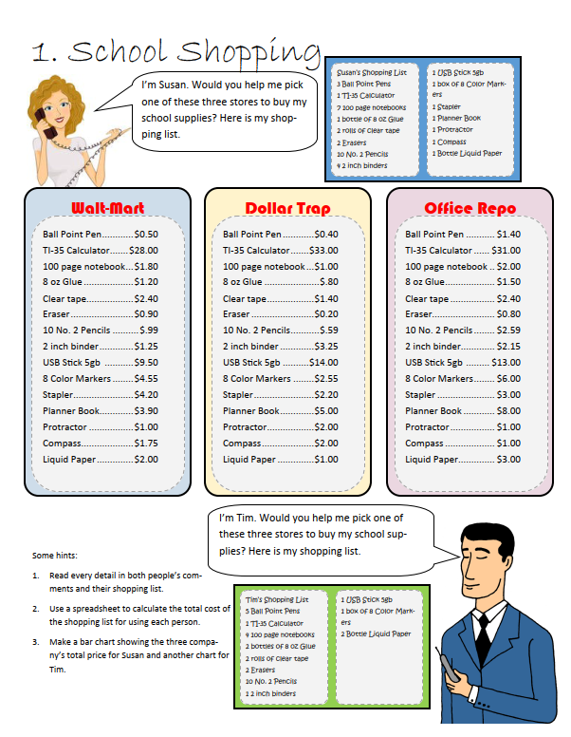
 | School Shopping
 | Walt-Mart | Dollar Trap | Office Repo | Susan | Walt-Mart | Dollar Trap | Office Repo | Tim | Walt-Mart | Dollar Trap | Office Repo
Ball Point Pen | $0.50 | $0.40 | $1.40 | 3 | $1.50 | $1.20 | $4.20 | 5 | $2.50 | $2.00 | $7.00
TI-35 Calculator | $28.00 | $33.00 | $31.00 | 1 | $28.00 | $33.00 | $31.00 | 1 | $28.00 | $33.00 | $31.00
100 page notebook | $1.80 | $1.00 | $2.00 | 7 | $12.60 | $7.00 | $14.00 | 4 | $7.20 | $4.00 | $8.00
8 oz Glue | $1.20 | $0.80 | $1.50 | 1 | $1.20 | $0.80 | $1.50 | 2 | $2.40 | $1.60 | $3.00
Clear tape | $2.40 | $1.40 | $2.40 | 2 | $4.80 | $2.80 | $4.80 | 2 | $4.80 | $2.80 | $4.80
Eraser | $0.90 | $0.20 | $0.80 | 2 | $1.80 | $0.40 | $1.60 | 2 | $1.80 | $0.40 | $1.60
10 No. 2 Pencils | $0.99 | $0.59 | $2.59 | 1 | $0.99 | $0.59 | $2.59 | 1 | $0.99 | $0.59 | $2.59
2 inch binder | $1.25 | $3.25 | $2.15 | 4 | $5.00 | $13.00 | $8.60 | 1 | $1.25 | $3.25 | $2.15
USB Stick 5gb | $9.50 | $14.00 | $13.00 | 1 | $9.50 | $14.00 | $13.00 | 1 | $9.50 | $14.00 | $13.00
8 Color Markers | $4.55 | $2.55 | $6.00 | 1 | $4.55 | $2.55 | $6.00 | 1 | $4.55 | $2.55 | $6.00
Stapler | $4.20 | $2.20 | $3.00 | 1 | $4.20 | $2.20 | $3.00 | 0 | $0.00 | $0.00 | $0.00
Planner Book | $3.90 | $5.00 | $8.00 | 1 | $3.90 | $5.00 | $8.00 | 0 | $0.00 | $0.00 | $0.00
Protractor | $1.00 | $2.00 | $1.00 | 1 | $1.00 | $2.00 | $1.00 | 0 | $0.00 | $0.00 | $0.00
Compass | $1.75 | $2.00 | $1.00 | 1 | $1.75 | $2.00 | $1.00 | 0 | $0.00 | $0.00 | $0.00
Liquid Paper | $2.00 | $1.00 | $3.00 | 1 | $2.00 | $1.00 | $3.00 | 2 | $4.00 | $2.00 | $6.00

 |  |  |  |  | Walt-Mart | Dollar Trap | Office Repo |  | Walt-Mart | Dollar Trap | Office Repo
 |  |  |  | Total | $82.79 | $87.54 | $103.29 | Total | $66.99 | $66.19 | $85.14
Susan's Shopping List
Tim's Shopping List

Solving Problem 2
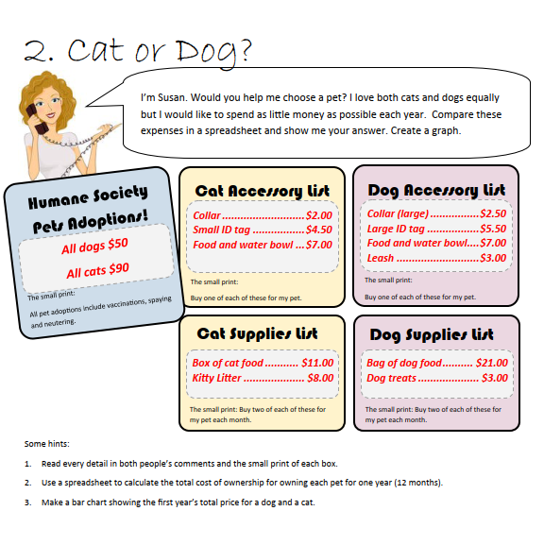
Cat or Dog?

First Year Total Prise
Intial | Cat | Dog
Vaccinations, Spraying and neutering | $90.00 | $50.00
Collar | $2.00 | $2.50
ID tag | $4.50 | $5.50
Food and Water bowl | $7.00 | $7.00
Leash | $0.00 | $3.00
Intial Total | $103.50 | $68.00

Monthly | Cat | Dog
Food | $11.00 | $21.00
Litter | $8.00 | $0.00
Treats | $0.00 | $3.00
Subtotal | $19.00 | $24.00
Montly Total | $38.00 | $48.00

 | Cat | Dog
Yealy Costs | $559.50 | $644.00

Solving Problem 3
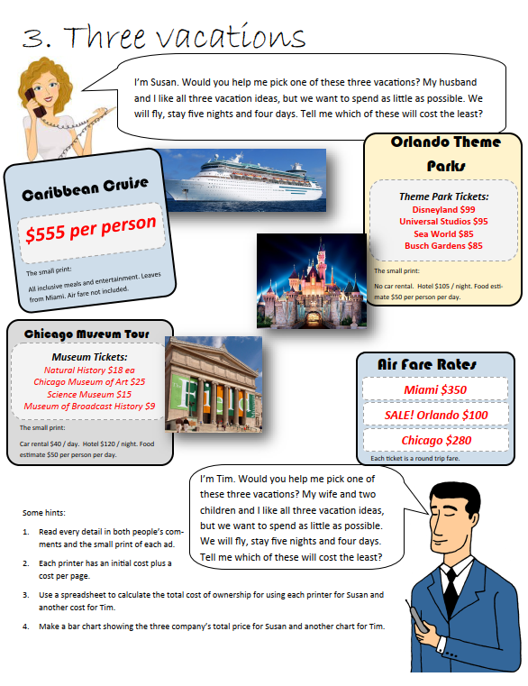
Three Vacation
 | Carribian Cruise | Orlando Theme Park | Chicago Muzeum Tour |  | Carribian Cruise | Orlando Theme Park | Chicago Muzeum Tour
Air Fare Rates | $350.00 | $100.00 | $280.00 | Total Prise for Susan | $1,810.00 | $1,828.00 | $1,854.00
Total Prise for Susan
Tickets:
Cruise | $555.00 | $0.00 | $0.00
Disneland | $0.00 | $99.00 | $0.00
Universal Studio | $0.00 | $95.00 | $0.00
Sea World | $0.00 | $85.00 | $0.00
Bush Gardens | $0.00 | $85.00 | $0.00
Natural History | $0.00 | $0.00 | $18.00
Chicago Muzeum of Art | $0.00 | $0.00 | $25.00
Science Muzem | $0.00 | $0.00 | $15.00
Museum of Broadcast History | $0.00 | $0.00 | $9.00
Total Tickets: | $905.00 | $464.00 | $347.00

Per Day:
Car | $0.00 | $0.00 | $40.00

Per Day per Person
Food | $0.00 | $50.00 | $50.00
 |  |  |  |  | Carribian Cruise | Orlando Theme Park | Chicago Muzeum Tour
Per Night: |  |  |  | Total Prise for Tim | $3,620.00 | $3,156.00 | $2,948.00
Total Prise for Tim
Hotel | $0.00 | $100.00 | $120.00

 | Num of People | Num of Day | Num of night
Susan | 2 | 4 | 5
Tim | 4 | 4 | 5

Solving Problem 4
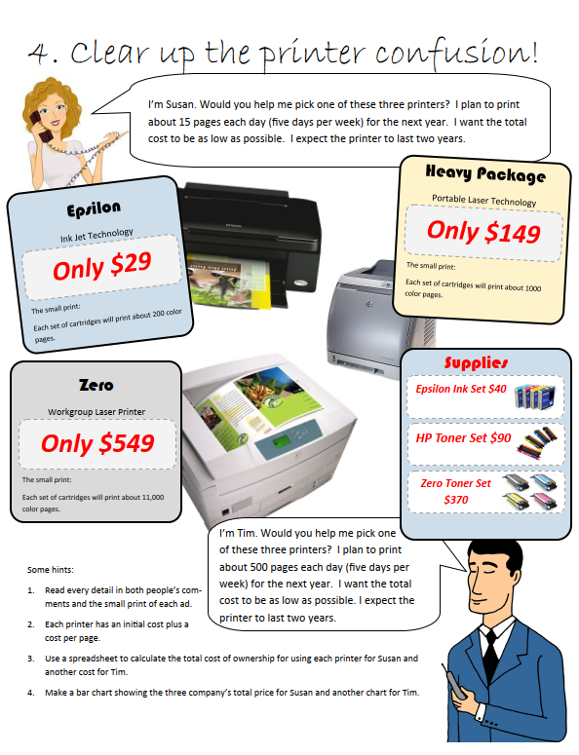
Crear Up The Printer Confusion
Susan |  |  |  | Tim
 | Epsilon | HP | Zero |  | Epsilon | HP | Zero
Purchase Prise | $29.00 | $149.00 | $549.00 | Purchase Prise | $29.00 | $149.00 | $549.00

Pages cartridge can print | 200 | 1000 | 11000 | Pages cartridge can print | 200 | 1000 | 11000
Cost of Set of Cartridges | $40.00 | $90.00 | $370.00 | Cost of Set of Cartridges | $40.00 | $90.00 | $370.00
Cost Per page | $0.20 | $0.09 | $0.03 | Cost Per page | $0.20 | $0.09 | $0.03

Espected Pages per Day | 15 |  |  | Espected Pages per Day | 500
Days in Week | 5 |  |  | Days in Week | 5
Week in Year | 50 |  |  | Week in Year | 50
Total Pages in Year | 3750 |  |  | Total Pages in Year | 125000

Printing Costs per year | $750.00 | $337.50 | $126.14 | Printing Costs per year | $25,000.00 | $11,250.00 | $4,204.55
Years | 2 | 2 | 2 | Years | 2 | 2 | 2

Total Printing Cost | $1,500.00 | $675.00 | $252.27 | Total Printing Cost | $50,000.00 | $22,500.00 | $8,409.09

Susan | Epsilon | HP | Zero | Tim | Epsilon | HP | Zero
Total Cost | $1,529.00 | $824.00 | $801.27 | Total Cost | $50,029.00 | $22,649.00 | $8,958.09
Total Cost a Susan
Total Cost for Tim

Solving Problem 5
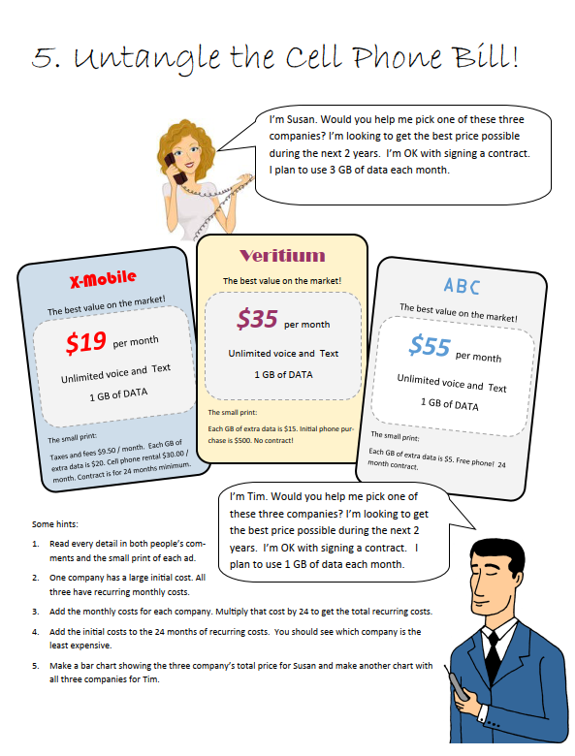
Untangle The Cell Phone Bill
Tim |  |  |  | Susan
 | X-Mobile | Veritium | ABC |  | X-Mobile | Veritium | ABC
Initial Costs |  |  |  | Initial Costs
Phone | $0.00 | $500.00 | $0.00 | Phone | $0.00 | $500.00 | $0.00

Monhtly Costs |  |  |  | Monhtly Costs
Plan Fee | $19.00 | $35.00 | $55.00 | Plan Fee | $19.00 | $35.00 | $55.00
Taxes and fees | $9.50 | $0.00 | $0.00 | Taxes and fees | $9.50 | $0.00 | $0.00
No Extra Gb | $0.00 | $0.00 | $0.00 | 2 Extra Gb | $40.00 | $30.00 | $10.00
Phone | $30.00 | $0.00 | $0.00 | Phone | $30.00 | $0.00 | $0.00

Total Monthly | $58.50 | $35.00 | $55.00 | Total Monthly | $98.50 | $65.00 | $65.00

 | X-Mobile | Veritium | ABC |  | X-Mobile | Veritium | ABC
Total 2 Year Costs | $1,404.00 | $1,340.00 | $1,320.00 | Total 2 Year Costs | $2,364.00 | $2,060.00 | $1,560.00
Tim's Total Costs
Susan's Total Costs

Solving Problem 6
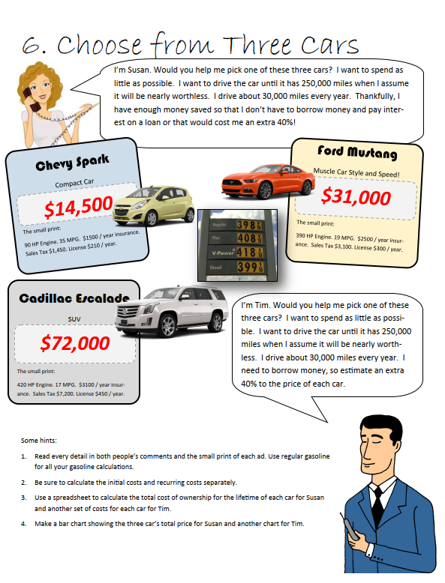
Choose From Three Car
Susan |  |  |  | Tim
 | Spark | Mustang | Escalade |  | Spark | Mustang | Escalade
Intial Costs: |  |  |  | Intial Costs:
Purchase Price | $14,500.00 | $31,000.00 | $72,000.00 | Purchase Price | $20,300.00 | $43,400.00 | $100,800.00
Taxes | $1,450.00 | $3,100.00 | $7,200.00 | Taxes | $1,450.00 | $3,100.00 | $7,200.00

Yearly Costs: |  |  |  | Yearly Costs:
Insurance | $1,500.00 | $2,500.00 | $3,100.00 | Insurance | $1,500.00 | $2,500.00 | $3,100.00
Licence | $210.00 | $300.00 | $450.00 | Licence | $210.00 | $300.00 | $450.00
Gas | $3,411.43 | $6,284.21 | $7,023.53 | Gas | $3,411.43 | $6,284.21 | $7,023.53

Gas Cost Calculation: |  |  |  | Gas Cost Calculation:
Miles per Year Driven | 30000 | 30000 | 30000 | Miles per Year Driven | 30000 | 30000 | 30000
MPG | 35 | 19 | 17 | MPG | 35 | 19 | 17
Price per Gal of Gas | $3.98 | $3.98 | $3.98 | Price per Gal of Gas | $3.98 | $3.98 | $3.98

Total Annual Costs (ins, lic, gas) | $5,121.43 | $9,084.21 | $10,573.53 | Total Annual Costs (ins, lic, gas) | $5,121.43 | $9,084.21 | $10,573.53

Miles To Drive Each Year | 30000 | 30000 | 30000 | Miles To Drive Each Year | 30000 | 30000 | 30000
Goal for Maximum Miles | 250000 | 250000 | 250000 | Goal for Maximum Miles | 250000 | 250000 | 250000
Total Life of the Car (Year) | 8 | 8 | 8 | Total Life of the Car (Year) | 8 | 8 | 8

Annual Costs 8 Year of Life | $42,678.57 | $75,701.75 | $88,112.75 | Annual Costs 8 Year of Life | $42,678.57 | $75,701.75 | $88,112.75

Total Cost of Life | $58,628.57 | $109,801.75 | $167,312.75 | Total Cost of Life | $64,428.57 | $122,201.75 | $196,112.75

 | Spark | Mustang | Escalade |  | Spark | Mustang | Escalade
Avg Cost per Year | $7,035.43 | $13,176.21 | $20,077.53 | Avg Cost per Year | $7,731.43 | $14,664.21 | $23,533.53
Susan's Avg Costs per Year
Tim's Avg Costs per Year

